D155AX-5 (1)
PT SAPTAINDRA SEJATI
PLANT REBUILD CENTER

DELIVERY | MACHINE MODEL : | D155A-6R | REPORT NO. : |  |  | DOCUMENT NO. :
INSPECTION SHEET | ENGINE MODEL : | SAA6D140E-5 | JOB ORDER NO. : |  |  | PUBL. DATE :
ENGINE | ENGINE NO. : |  | DELIVERY DATE : |  |  | REVISION NO. :
 | CUSTOMER NAME : |  |  |  |  | PAGE : | 1 | of | 2

X : BAD CONDITION ⊗ : NONE
BELOW ARE THE ITEMS RELATED TO DELIVERY INSPECTION AND WHILE YOU DOING THIS INSPECTION JOB, PLEASE REFERRING
TO THE REMANUFACTURED COMPONENTS - STANDARD CONFIGURATION.
: GOOD CONDITION

SKETCH DRAWING OR PHOTOES |  |  |  | NO. | ITEM |  | INSPECTION
 |  |  |  |  |  |  | CONDITION
 |  |  |  | 1 | Production No.
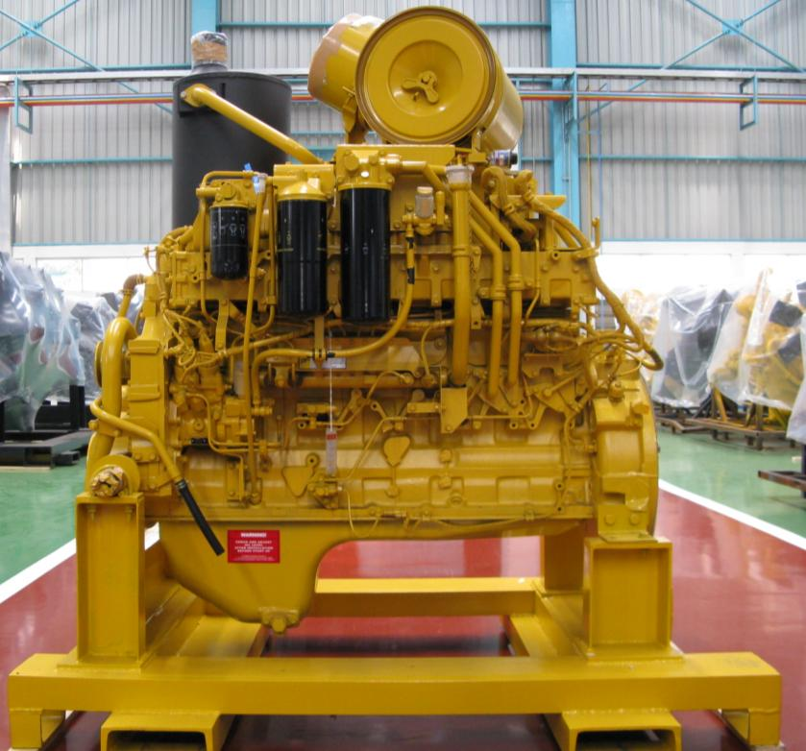
 |  |  |  | 2 | Painting :
29
 |  |  |  | 3 | Corossion resistor
27
5
 |  |  |  | 4 | Fuel filter
10
 |  |  |  | 5 | Oil filter
3
8
18
 |  |  |  | 6 | Fuel injection pump
4
15
 |  |  |  | 7 | G Sensor
17
 |  |  |  | 8 | Oil filler
12
7
13
 |  |  |  | 9 | Oil gauge
11
6
21
 |  |  |  | 10 | Priming pump
9
16
 |  |  |  | 11 | Fuel pressure sensor
 |  |  |  | 12 | Common rail
20
 |  |  |  | 13 | Oil pressure sensor (x2)
14
22
 |  |  |  | 14 | Drain plug
 |  |  |  | 15 | Intake manifold
 |  |  |  | 16 | NE Sensor
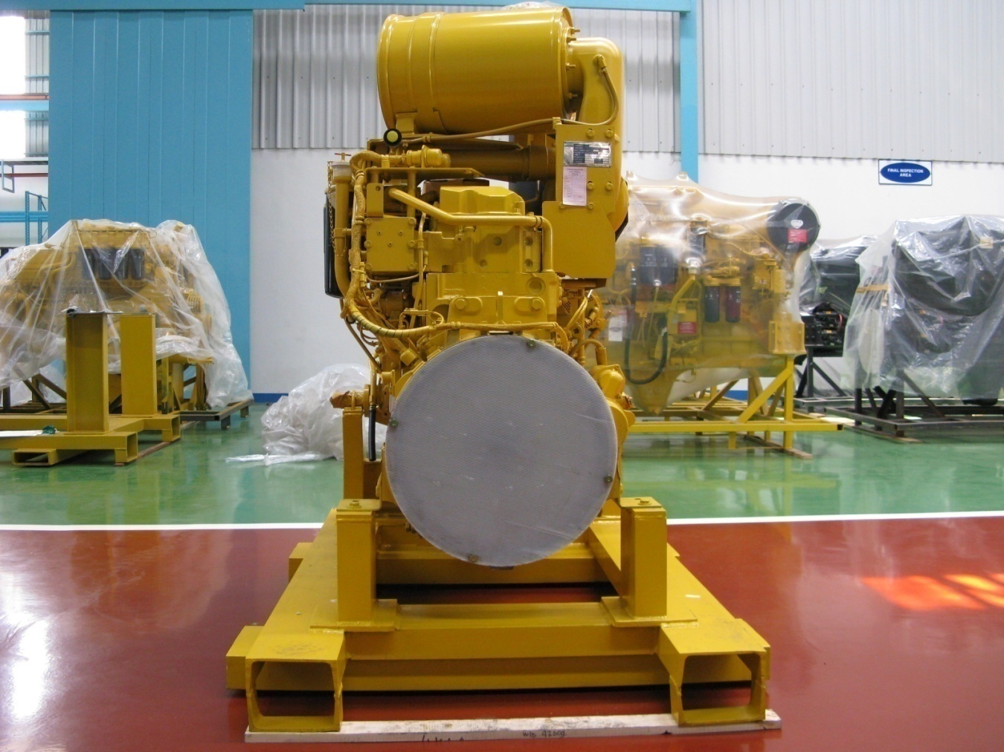
 |  |  |  | 17 | Relay heater
 |  |  |  | 18 | wiring harness
23
 |  |  |  | 19 | Pick-Up revolution
28
 |  |  |  | 20 | Stiker warning oil level
16
 |  |  |  | 21 | Tag caution
 |  |  |  | 22 | Tag Quality Passed
 |  |  |  | 23 | Dust indicator
19
25
 |  |  |  | 24 | Flywheel
 |  |  |  | 25 | Flywheel housing
24
 |  |  |  | 26 | Rear support (LH & RH)
 |  |  |  | 27 | Muffler
 |  |  |  | 28 | Engine name plate
 |  |  |  | 29 | Air cleaner
26

Notes :

D155AX-5 (2)
PT SAPTAINDRA SEJATI
PLANT REBUILD CENTER

DELIVERY | MACHINE MODEL : | D155A-6R | REPORT NO. : |  |  | DOCUMENT NO. :
INSPECTION SHEET | ENGINE MODEL : | SAA6D140E-5 | JOB ORDER NO. : |  |  | PUBL. DATE :
ENGINE | ENGINE NO. : |  | DELIVERY DATE : |  |  | REVISION NO. :
 | CUSTOMER NAME : |  |  |  |  | PAGE : | 1 | of | 2

X : BAD CONDITION ⊗ : NONE
BELOW ARE THE ITEMS RELATED TO DELIVERY INSPECTION AND WHILE YOU DOING THIS INSPECTION JOB, PLEASE REFERRING
TO THE REMANUFACTURED COMPONENTS - STANDARD CONFIGURATION.
: GOOD CONDITION

SKETCH DRAWING OR PHOTOES |  |  |  | NO. | ITEM |  | INSPECTION
 |  |  |  |  |  |  | CONDITION
 |  |  |  | 30 | Connector turbocharger
 |  |  |  | 31 | Turbocharger
 |  |  |  | 32 | Turbocharge cover safety
30
 |  |  |  | 33 | Cover safety
31
32
 |  |  |  | 34 | Engine controller
 |  |  |  | 35 | Water pump
43
41
44
 |  |  |  | 36 | Oil cooler
33
45
36
 |  |  |  | 37 | Starting motor Assy
42
 |  |  |  | 38 | Alternator
37
35
 |  |  |  | 39 | Water outlet connector
 |  |  |  | 40 | Oil pan
 |  |  |  | 41 | Exhaust manifold
40
 |  |  |  | 42 | Sticker caution flywheel
 |  |  |  | 43 | Sticker costumer responsibility
 |  |  |  | 44 | Termostat housing
 |  |  |  | 45 | water temperature sensor and switch
 |  |  |  | 46 | Accessories drive
 |  |  |  | 47 | Crank pulley
34
 |  |  |  | 48 | Vibration damper
 |  |  |  | 49 | Alternator drive pulley
39
51
 |  |  |  | 50 | Tension pulley
38
 |  |  |  | 51 | Tube breather and hose
46
 |  |  |  | 52 | Front support (LH & RH)
50
 |  |  |  | 53 | Stand condition
49
47
 |  |  |  | 54 | Masking condition
48

53
52

Notes :

Inspected by, |  |  |  |  |  | Approved by,

